tracks
List of dialog, error and warning messages

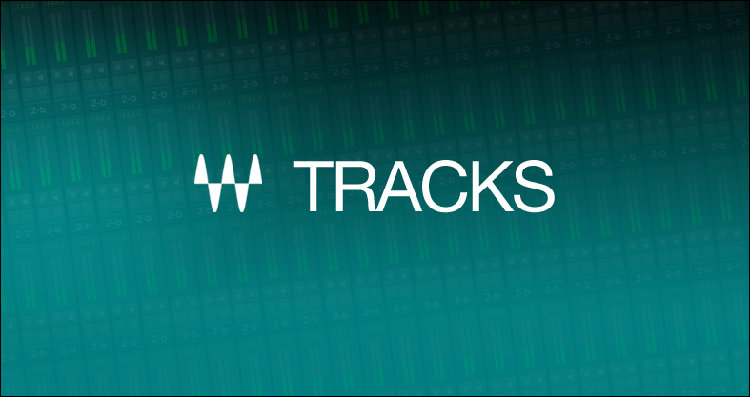

version 1.0
Jun-14

